Ark1
PIN | Function | Use in PCB | Comment
1 | 3,3V
2 | ADCINA6 | J1 | ADC to 5V | Thermometer 1
3 | j1.3 | Not use
4 | j1.4 | Not use
5 | GPIO12 | U4.1 | Wheel anti-slip LED | DS16
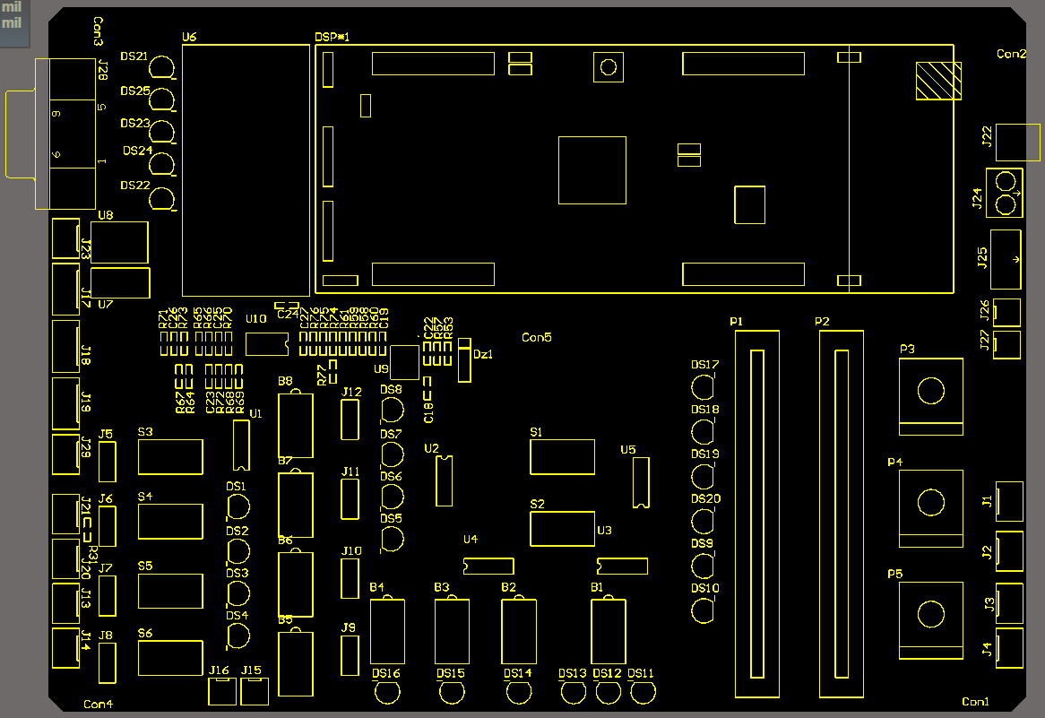
6 | ADCINB6 | AD_24 | 24V battery
7 | GPIO18 | U4.2 | Cruise controlLED | DS15
8 | GPIO22 | U4.3 | Regenerative braking LED | DS14
9 | GPIO33 | U4.4 | Torque ref LED | DS13
10 | GPIO32 | B2 | Button | Regenerative braking
11 | GPIO55 | U5.2 | LED | DS19
12 | GPIO51 | U5.1 | LED | DS20
13 | GPIO50 | U3.1 | Torque ref LED | DS12
14 | GPIO17 | U3.2 | Torque ref LED | DS11
15 | GPIO16 | U3.3 | LED | DS10
16 | RESET | Not use
17 | NC | Not use
18 | GPIO44 | U3.4 | LED | DS9
19 | GPIO19 | B1 | Button | Torque reference
20 | GND
21 | 5V | Not use
22 | GND
23 | ADCINA7 | J2 | ADC to 5V | Thermometer 2
24 | ADCINB1 | J3 | ADC to 3.3V | External connector
25 | ADCINA2 | J4 | ADC to 3.3V | External connector
26 | ADCINB2 | P3 | Rottatory pot | Extra
27 | ADCINA0 | P4 | Rottatory pot | Extra
28 | ADCINB0 | P5 | Rottatory pot | Extra
29 | ADCINA1 | P2 | Slider pot | Left slider
30 | NC
31 | DAC2
32 | DAC1
33 | NC | Not use
34 | GPIO13 | U5.3 | LED | DS18
35 | GPIO5 | U5.4 | LED | DS17
36 | EPWM3A | J19 | PWM
37 | GPIO3 | S2 | Switch | CL/OL
38 | EPWM2A | J18 | PWM
39 | GPIO1 | S1 | Switch | Move enable
40 | EPWM1A | J17 | PWM
41 | 3.3V
42 | NC | Not use
43 | J7.3 | Not use
44 | J7.4 | Not use
45 | EQEP1A | EncA | Encoder | (Talk to Nicolai)
46 | NC | Not use
47 | GPIO14 | B3 | Button | Cruise control
48 | EQEP1B | EncB | Encoder | (Talk to Nicolai)
49 | EQEP1I | EncZ | Encoder | (Talk to Nicolai)
50 | GPIO54 | B4 | Button | Wheel anti-slip
51 | GPIO56 | J6 | Selection jumper | S4 or DS2
52 | GPIO53 | J7 | Selection jumper | S5 or DS3
53 | GPIO52 | J8 | Selection jumper | S6 or DS4
54 | GPIO25 | J12 | Selection jumper | B8 or DS8
55 | GPIO24 | J11 | Selection jumper | B7 or DS7
56 | RESET
57 | NC | Not use
58 | GPIO26 | J10 | Selection jumper | B6 or DS6
59 | GPIO27 | J9 | Selection jumper | B5 or DS5
60 | GND
61 | 5V
62 | GND
63 | ADCINB7 | P1 | Slider pot | Right slider
64 | ADCINB4 | AD_36 | 36V battery
65 | ADCINA5 | IC | Current measure
66 | ADCINB5 | IB | Current measure
67 | ADCINA3 | IA | Current measure
68 | ADCINB3 | Free pin
69 | ADCINA4 | Free pin
70 | NC | Not use
71 | DAC4
72 | DAC3
73 | NC | Not use
74 | NC | Not use
75 | GPIO11 | J5 | Selection jumper | S3 or DS1
76 | GPIO10 | J20 | Digital In/Out | Connector with resistance
77 | GPIO9 | J21 | Digital In/Out | Connector with resistance
78 | GPIO8 | Enable | J17 & J18 & J19 | PWM enable
79 | GPIO7 | Free pin
80 | GPIO6 | Free pin

 |  |  | GPIO | USE | PIN | DAC | Counter | ADC | Counter
 |  |  | 0 | EPWM1 | 40 | DAC1 | 1 | ADC0 | 1
 |  |  | 1 | x | 39 | DAC2 | 1 | ADC1 | 1
 |  |  | 2 | EPWM2 | 38 | DAC3 | 1 | ADC2 | 1
 |  |  | 3 | x | 37 | DAC4 | 1 | ADC3 | 1
 |  |  | 4 | EPWM3 | 36 | Total | 4 | ADC4 | 1
 |  |  | 5 | x | 35 |  |  | ADC5 | 1
 |  |  | 6 | EPWM4 | 80 |  |  | ADC6 | 1
 |  |  | 7 | x | 79 |  |  | ADC7 | 1
 |  |  | 8 | EPWM5 | 78 |  |  | Total | 8
 |  |  | 9 | x | 77
 |  |  | 10 | EPWM6 | 76
 |  |  | 11 | x | 75
 |  |  | 12
 |  |  | 13 | 1
 |  |  | 14 | 1
 |  |  | 15 | UART
 |  |  | 16 | 1
 |  |  | 17 | 1
 |  |  | 18 | 1
 |  |  | 19 | 1
 |  | Encoder A | 20 | x | 45
 |  | Encoder B | 21 | x | 48
 |  |  | 22 | 1
 |  | Encoder I | 23 | x | 49
 |  |  | 24 | 1
 |  |  | 25 | 1
 |  |  | 26 | 1
 |  |  | 27 | 1
 |  |  | 28 | UART
 |  |  | 29
 |  |  | 30
 |  |  | 31
 |  |  | 32 | 1
 |  |  | 33 | 1
 |  |  | 34 | PCB LED
 |  |  | 35 | J TAG
 |  |  | 36
 |  |  | 37
 |  |  | 38
 |  |  | 39 | PCB LED
 |  |  | 40
 |  |  | 41
 |  |  | 42
 |  |  | 43
 |  |  | 44 | 1
 |  |  | 45
 |  |  | 46
 |  |  | 47
 |  |  | 48
 |  |  | 49
 |  |  | 50 | 1
 |  |  | 51 | 1
 |  |  | 52 | 1
 |  |  | 53 | 1
 |  |  | 54 | 1
 |  |  | 55 | 1
 |  |  | 56 | 1
 |  |  | 57
 |  |  | 58 | UART
 |  |  | Total | 21

